Bldgs 2014 Data
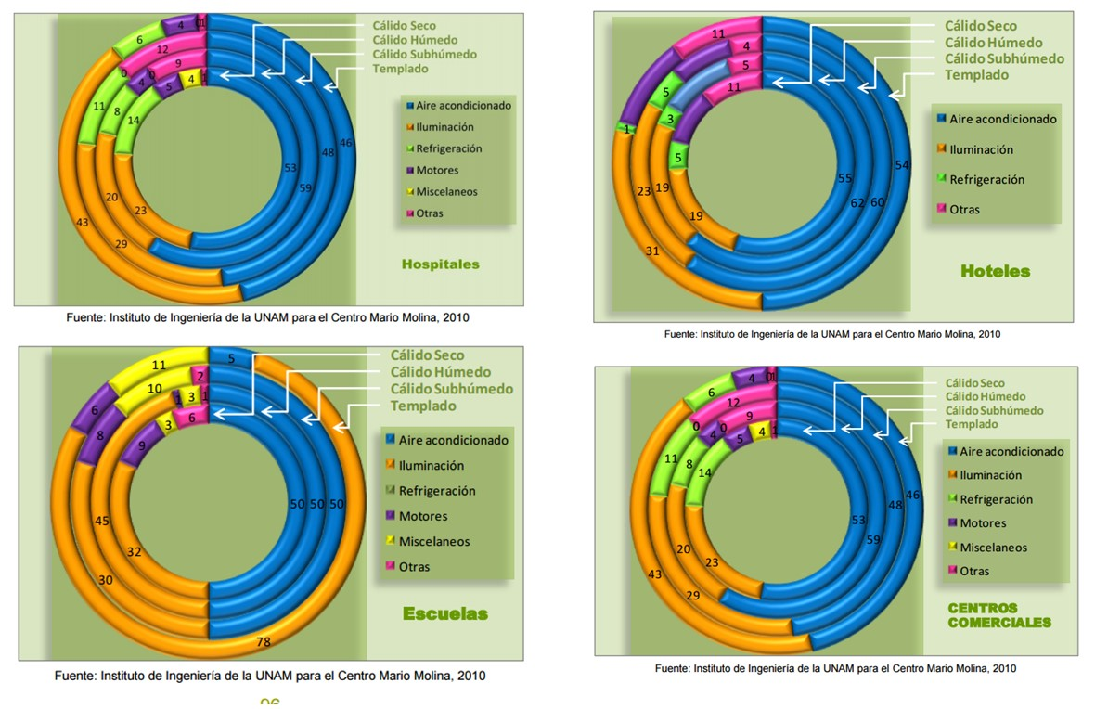
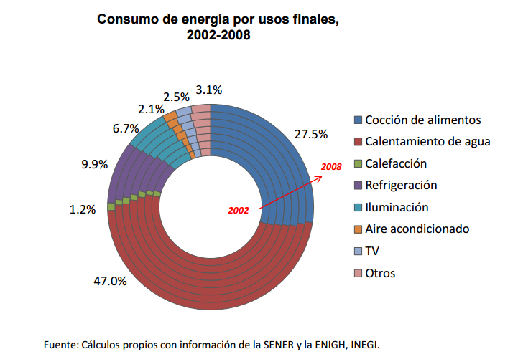
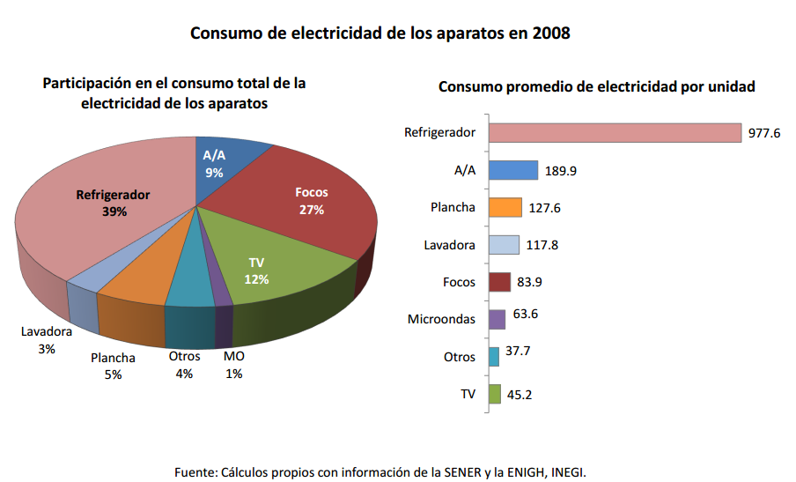
Mexico Buildings Sector Energy Use 2014

Residential Buildings |  |  | Commercial Buildings |  |  | Public Buildings
Energy Consumption by Fuel | PJ |  | Energy Consumption by Fuel | PJ |  | Energy Consumption by Fuel | PJ
Solar water heaters | 4.53 | 0.60% | Solar water heaters | 3.12 | 2.31% | Electricity | 32.39
Wood (biomass) | 254.12 | 33.70% | Total petroleum-derived fuels | 67.79 | 50.24% | No information on other fuels provided.
Total petroleum-derived fuels | 259.02 | 34.35% | Propane | 63.32 | 46.92%
Propane | 257.11 | 34.09% | Kerosene | 4.48 | 3.32%
Kerosene | 1.91 | 0.25% | Natural Gas | 13.13 | 9.73%
Natural Gas | 39.86 | 5.29% | Electricity | 50.89 | 37.71%
Electricity | 196.62 | 26.07% | Total | 134.94 | 100%
Total | 754.15 | 100%

Energy Consumption by End Use |  |  | Energy Consumption by End Use |  |  | Energy Consumption by End Use
Electricity | PJ |  | Electricity | PJ |  | Electricity | PJ
Refrigeration | 76.68 | 39% | Air conditioning | 27.99 | 55% | Lighting | 9.72 | 30%
Air conditioning | 17.70 | 9% | Lighting | 12.72 | 25% | Air conditioning | 12.96 | 40%
Clothes irons | 9.83 | 5% | Refrigeration | 2.54 | 5% | Comptuters | 9.72 | 30%
Washing machines | 5.90 | 3% | Motors | 4.07 | 8%
Lighting | 53.09 | 27% | Comptuters | 2.04 | 4%
Microwave ovens | 1.97 | 1% | Other uses | 1.53 | 3%
TVs | 23.59 | 12%
Other uses | 7.86 | 4%

Petroleum (propane + kerosene) | PJ |  | Petroleum (propane + kerosene) | PJ
Water heating | 163.18 | 63% | Water heating | 54.24 | 80%
Cooking | 95.84 | 37% | Cooking | 11.53 | 17%
 |  |  | Emergency backup generators | 2.03 | 3%

Natural gas | PJ |  | Natural gas | PJ
Water heating | 25.11 | 63% | Water heating | 10.77 | 82%
Cooking | 14.75 | 37% | Cooking | 2.36 | 18%

